Metrics and Plots
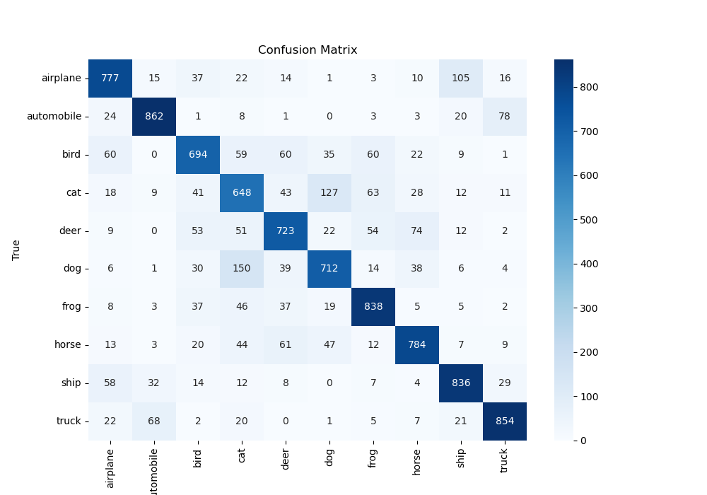
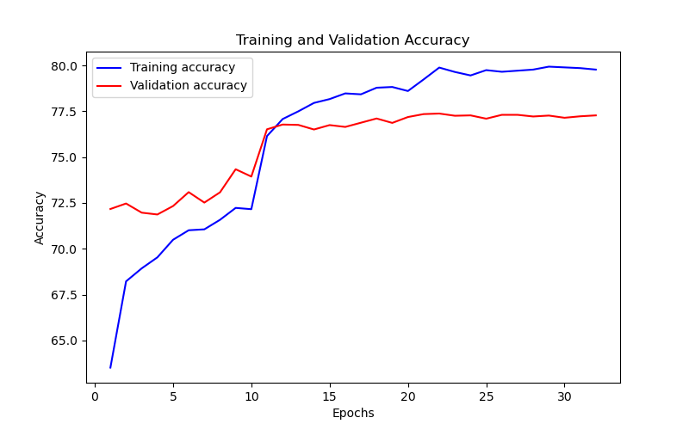
Epoch | Train Accuracy | Train Loss | Validation Accuracy | Validation Loss
1 | 63.51 | 1.047 | 72.17 | 0.844
2 | 68.22 | 0.991 | 72.47 | 0.822
3 | 68.93 | 0.961 | 71.97 | 0.814
4 | 69.53 | 0.965 | 71.87 | 0.86
5 | 70.49 | 0.938 | 72.33 | 0.833
6 | 71.01 | 0.911 | 73.09 | 0.819
7 | 71.06 | 0.895 | 72.52 | 0.858
8 | 71.58 | 0.894 | 73.08 | 0.828
9 | 72.23 | 0.882 | 74.34 | 0.795
10 | 72.16 | 0.89 | 73.94 | 0.797
11 | 76.15 | 0.714 | 76.52 | 0.715
12 | 77.08 | 0.693 | 76.78 | 0.704
13 | 77.5 | 0.674 | 76.76 | 0.707
14 | 77.96 | 0.676 | 76.51 | 0.7
15 | 78.17 | 0.668 | 76.75 | 0.698
16 | 78.48 | 0.674 | 76.65 | 0.694
17 | 78.43 | 0.65 | 76.88 | 0.695
18 | 78.79 | 0.642 | 77.11 | 0.696
19 | 78.83 | 0.639 | 76.87 | 0.698
20 | 78.61 | 0.649 | 77.19 | 0.683
21 | 79.24 | 0.62 | 77.35 | 0.682
22 | 79.89 | 0.623 | 77.38 | 0.685
23 | 79.65 | 0.61 | 77.26 | 0.685
24 | 79.46 | 0.613 | 77.28 | 0.683
25 | 79.75 | 0.617 | 77.1 | 0.682
26 | 79.66 | 0.609 | 77.31 | 0.684
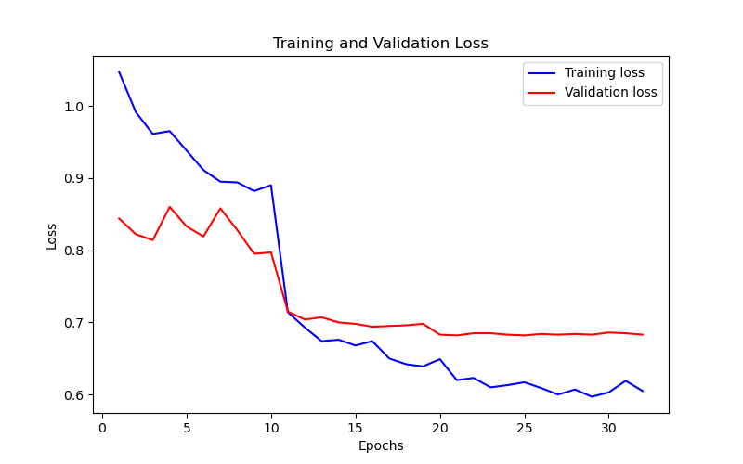
27 | 79.72 | 0.6 | 77.31 | 0.683
28 | 79.78 | 0.607 | 77.22 | 0.684
29 | 79.94 | 0.597 | 77.27 | 0.683
30 | 79.9 | 0.603 | 77.15 | 0.686
31 | 79.86 | 0.619 | 77.23 | 0.685
32 | 79.78 | 0.605 | 77.28 | 0.683

